1. Title Page
[Marketing Strategy Analysis]

Project Name: Marketing Strategy Analysis
Date: April 13, 2021
Analyst Name: Dena Coduri

Contents:
Population Flow
Consistency checks
Wrangling steps
Column derivations
Visualizations
Recommendations

The data for this project is open source data from Instacart, a U.S. based online grocery store application:
“The Instacart Online Grocery Shopping Dataset 2017”, Accessed from
https://www.instacart.com/datasets/grocery-shopping-2017

*Price and customer data were added and fabricated for educational purposes.

2. Population Flow
 |  | Title page

Population flow

Exclusion flag
Condition: max_order < 5
Obervations to be removed: 1440295
Final total count of order_products_all: 30964564

Orders_products_combined
Orders_products_merged
Orders_products_all

Total: 32404859
Total:
Total:
32434489 | 32404859

1.) The grey boxes in the first row of the population flow represent the original data sets as they were when you downloaded them. In the Total fields you need to add the count of the rows when you imported the data set into Jupyter.
2.) The second row of boxes (coloured) represents the data sets after you manipulated them, e.g., removed missing values and duplicates. In the Total fields you need to add the count of the rows after conducting these operations. This offers a visual oveview of how the data flows throughout the data consistency checks.
3.) The third row, where also the arrows are coloured, represents the merges you performed between the datasets. In the Total fields you need to add the count of the rows in the merged datasets, so that you end up with the final dataset (in the red box). Keep in mind the final dataset should be without exclusions (based on the exclusion flag).

3. Consistency checks
 |  |  |  | Title page
Consistency checks

Dataset | Missing values | Missing values treatment | Duplicates
orders | none |  | none
products | 16 | null values removed | 5 duplicates removed
orders_products_prior | none |  | none
customers | none |  | none

4. Wrangling steps
 |  |  |  | Title page
Wrangling steps

Columns dropped | Columns renamed | Columns' type changed | Comment/Reason
first_name |  |  | Personally Identifiable Information
last_name |  |  | Personally Identifiable Information
 | order_dow to orders_day_of_week |  | clarity
 |  | order_id | changed to String, as it is a label
 | order_number to number_of _orders_by_user |  | clarity
 |  | orders_day_of_week | changed to String, as it is a label
 | First Name to first_name |  | consistency
 | Surnam to last_name |  | clarity
 | Gender to gender |  | consistency
 | STATE to state |  | consistency
 | Age to age |  | consistency
 | n_dependants to number_of_dependents |  | clarity
 | fam_status to marital_status |  | clarity

5. Column derivations
 |  |  |  | Title page
In this tab you should add tables below that the frequences of flags/label variables that you produced after deriving them. NB: don't do this for continuous variables, only for flags.
Column derivations and aggregations

Dataset | New column | Column/s it was derived from | Conditions
orders_wrangled | is_first_order | days_since_prior_order | if null, 'Yes', if not, "No'
orders_products_merged | price_range_loc | prices | if > 15, 'High-range product'
 |  |  | 5 < x <= 15, 'Mid-range product'
 |  |  | if <= 5, 'Low-range product'
orders_products_merged | busiest_day | orders_day_of_week | if 0, 'Busiest day'
 |  |  | if 4, 'Least busy'
 |  |  | else, 'Regularly busy'
orders_products_merged | busiest_days | orders_day_of_week | if 3, 4, 'Slowest days'
 |  |  | if 0,1 , 'Busiest days'
 |  |  | else, 'Regular days'
orders_products_merged | busiest_period_of_day | order_hour_of_day | 9 < x <= 17, 'Most orders'
 |  |  | 7,8, 18<= x <=23, 'Average orders'
 |  |  | x < 7 'Fewest orders'
orders_products_merged_new | max_order | number_of_orders_by_user | the maximum, grouped by user id
orders_products_merged_new | loyalty_flag | max_order | if > 40, 'Loyal customer'
 |  |  | 10 < x <= 40, 'Regular customer'
 |  |  | if <= 10, 'New customer'
orders_products_merged_grouped | mean_price_of_orders | prices | average price, grouped by user id
orders_products_merged_grouped | spending_flag | mean_price_of_orders | if < 10, 'Low spender'
 |  |  | if >= 10, 'High spender'
orders_products_merged_grouped | median_of_days_since_prior_order | days_since_prior_order | median, grouped by user id
orders_products_merged_grouped | regularity_flag | median_of_days_since_prior_order | if > 20, 'Non-frequent customer'
 |  |  | 10 < x <=20, 'Regular customer'
 |  |  | if <= 10, 'Frequent customer'
orders_products_customers_2 | low_activity | max_order | if < 5, 'Yes', if > = 5, "No'
orders_products_customers_2 | region | state | if 'Maine', 'New Hampshire', 'Vermont', 'Massachusetts', 'Rhode Island', 'Connecticut', 'New York', 'Pennsylvania', 'New Jersey', then Northeast
 |  |  | if 'Wisconsin', 'Michigan', 'Illinois', 'Indiana', 'Ohio', 'North Dakota', 'South Dakota', 'Nebraska', 'Kansas', 'Minnesota', 'Iowa', 'Missouri', then Midwest
 |  |  | if 'Maine', 'New Hampshire', 'Vermont', 'Massachusetts', 'Rhode Island', 'Connecticut', 'New York', 'Pennsylvania', 'New Jersey', then Northeast, then South
 |  |  | if 'Idaho','Montana','Wyoming','Nevada','Utah','Colorado','Arizona','New Mexico','Alaska','Washington','Oregon','California','Hawaii', then West

6. Visualizations
 |  |  | Title page

Visualisations

In this tab you should include all the visualtions from Exercises 4.9 and 4.10, alongside the questions from the project brief that they answer. Include any commentary on the relationship between different variables.

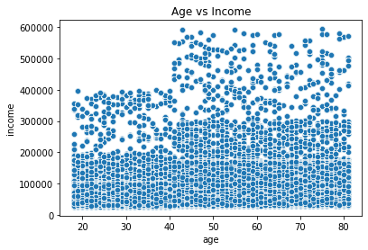

 | The scatterplot of age vs income shows that from the age of 40 and up, there are individuals with a much higher spending power than those under 40.

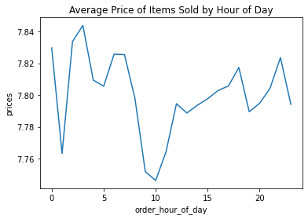

 | The average price of items sold varies throughout the day. The lowest average is at 10am, and the highest average is at 3am.

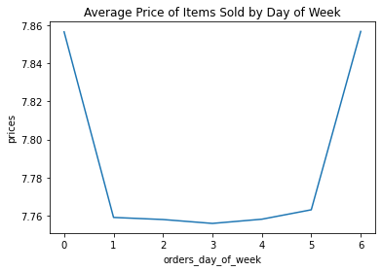

 | The average price of items sold is higher on Friday and Saturday.

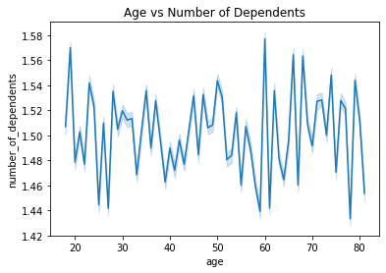

 | This line chart shows that there isn't a strong correlation between age and number of dependents.

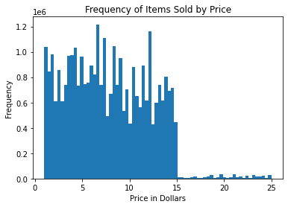

 | This price fequency histogram shows that there aren't very many items sold greater than $15.

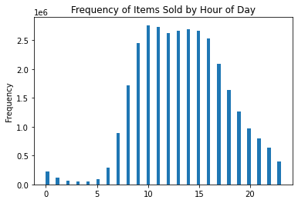 | This histogram demonstrates that the most items are ordered from 9am to 5pm. The amount of items ordered gradually decreases throughout the evening/night, then starts to increase again after 5am.

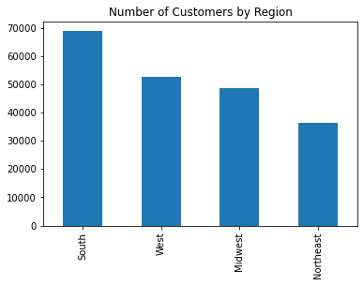

 | The region with the most customers is the South, followed by the West, Southwest, and Northeast.

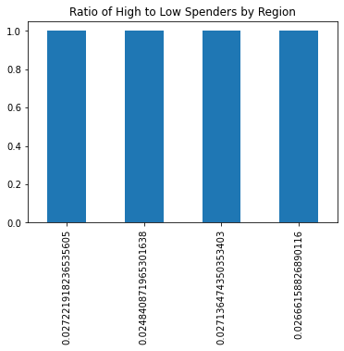

 | There is not much of a difference in the ratio of high spenders to low spenders for each region.

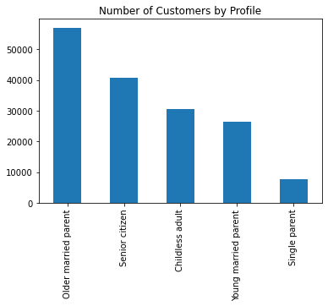

 | The profile with the most customers is the Older married parent, follwed by Senior citizen, Childless adult, Young married parent, and Single parent.

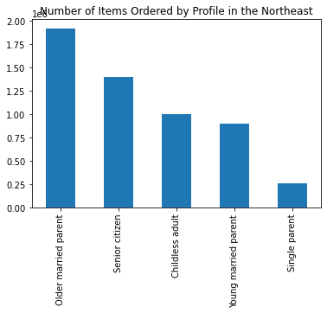
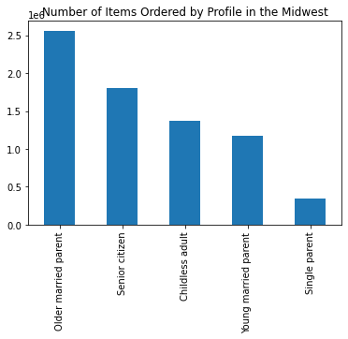

 |  | The same distribution by items sold occurs in each of the 4 individual regions.




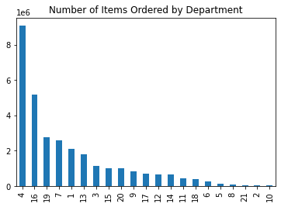

 | The top 5 departments are: produce, dairy eggs, snacks, beverages, and frozen.

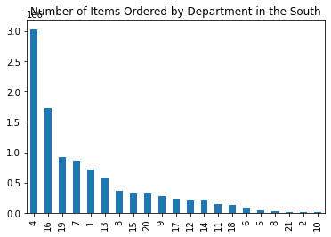
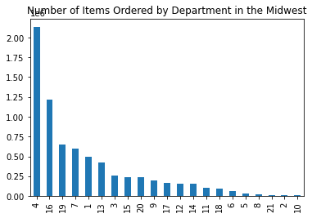

 |  | The same distribution occurs in each of the 4 individual regions.

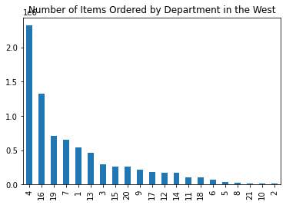
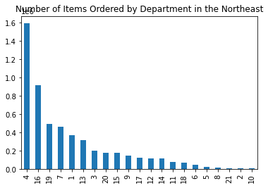

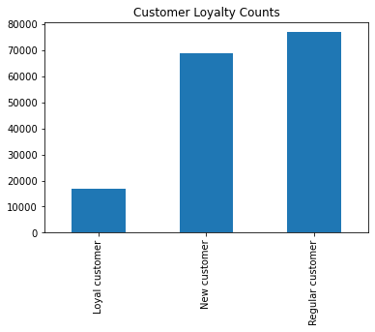

 | Most customers are Regular customers, followed by New customers and Loyal customers.

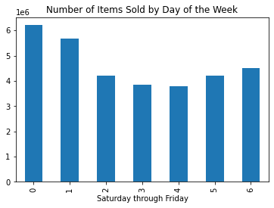

 | The three top days with the most products ordered are Saturday, Sunday, and Friday, respectively.

Number of Items Ordered for Each Day of the Week
 | Older married parent | Senior citizen | Childless adult | Young married parent | Single parent
Mon | 1416941 | 1004597 | 755514 | 655288 | 192366
Tues | 1286248 | 921129 | 687965 | 599775 | 174418
Wed | 1271133 | 899851 | 685330 | 595466 | 173214
Thurs | 1402383 | 1008597 | 765031 | 662258 | 195460
Fri | 1511155 | 1083193 | 793373 | 698179 | 205404
Sat | 2059794 | 1477029 | 1112667 | 978292 | 280828
Sun | 1891001 | 1336438 | 1034080 | 890685 | 259482

 |  | The three top days with the most products ordered are Saturday, Sunday, and Friday, respectively.

Customer Regularity by Profile
 | Frequent customer | Regular customer | Non-frequent customer
Older married parent | 26692 | 17396 | 12951
Senior citizen | 19133 | 12555 | 9081
Childless adult | 14141 | 9589 | 6932
Young Married Parent | 12345 | 8236 | 5972
Single parent | 3616 | 2263 | 1729

 |  | Regularity disribution is similar across the profiles.

Customer Profiles by Region
 | South | West | Midwest | Northeast
Older married parent | 18948 | 14408 | 13545 | 10138
Senior citizen | 13589 | 10453 | 9588 | 7139
Childless adult | 10213 | 7790 | 7233 | 5426
Young married parent | 8839 | 6892 | 6170 | 4652
Single parent | 2604 | 1938 | 1840 | 1226

 |  | Older married parents from the south are the most common customer.

Number of Items Ordered from the Top 5 Departments, by Profile
 | Older married parent | Senior citizen | Childless adult | Young married parent | Single parent
Produce | 3321191 | 2368314 | 1786988 | 1553170 | 449628
Dairy/Eggs | 1882117 | 1345789 | 1016451 | 893603 | 260787
Snacks | 1009281 | 718640 | 543062 | 479404 | 137163
Beverages | 943548 | 675269 | 508445 | 436232 | 124629
Frozen | 782504 | 560317 | 417221 | 366168 | 108533

 |  | Department shopping habits are similar across the profiles.

Number of Orders for Each Hour of the Day
 | Older married parent | Senior citizen | Childless adult | Young married parent | Single parent
12am | 7054 | 5022 | 3891 | 3340 | 984
1am | 3896 | 2728 | 2043 | 1721 | 587
2am | 2319 | 1710 | 1177 | 1110 | 368
3am | 1674 | 1228 | 867 | 828 | 253
4am | 1700 | 1238 | 906 | 792 | 273
5am | 2938 | 2249 | 1608 | 1340 | 419
6am | 9495 | 7069 | 5254 | 4512 | 1423
7am | 28927 | 21259 | 15903 | 13481 | 4065
8am | 56492 | 40485 | 30854 | 26519 | 7607
9am | 81440 | 58743 | 44383 | 38307 | 10937
10am | 91304 | 65233 | 48601 | 42651 | 12322
11am | 89514 | 64085 | 48182 | 41713 | 12076
12pm | 85371 | 61289 | 45820 | 39772 | 11404
1pm | 87448 | 62386 | 46474 | 40556 | 11849
2pm | 88648 | 63450 | 47759 | 40981 | 12011
3pm | 88891 | 62863 | 48021 | 41280 | 11934
4pm | 85081 | 60852 | 46402 | 39480 | 11513
5pm | 71298 | 50990 | 38398 | 32566 | 9750
6pm | 56893 | 40904 | 30323 | 26114 | 7697
7pm | 43629 | 31422 | 23493 | 20212 | 5960
8pm | 32873 | 23203 | 17765 | 15155 | 4345
9pm | 24689 | 17509 | 13255 | 11316 | 3331
10pm | 19069 | 13727 | 10534 | 8926 | 2578
11pm | 12430 | 9132 | 6893 | 5671 | 1691

 |  |  | Hourly shopping habits are similar across the profiles.

High Spenders by Region
 | High spender
South | 1816
West | 1393
Midwest | 1260
Northeast | 882

 |  | The South has the most High spenders.

Customer Regularity by Region
 | Frequent customer | Regular customer | Non-frequent customer
South | 25314 | 16602 | 12277
West | 19474 | 12687 | 9320
Midwest | 17794 | 11839 | 8743
Northeast | 13345 | 8911 | 6325

 |  | The Midwest has the largest number of Loyal customers, proportionally.

Number of Items Ordered at Each Price
 | Midwest | Northeast | South | West
1 | 27384 | 20681 | 38022 | 29056
1.1 | 57198 | 43728 | 80284 | 61572
1.2 | 60178 | 44838 | 85759 | 65483
1.3 | 99420 | 74462 | 142621 | 109188
1.4 | 91861 | 69875 | 130542 | 99931
1.5 | 36741 | 27040 | 51790 | 38956
1.6 | 70566 | 52667 | 98955 | 77164
1.7 | 49649 | 38772 | 71189 | 54357
1.8 | 75551 | 56694 | 107462 | 81477
1.9 | 36385 | 28120 | 51420 | 40254
2 | 66699 | 51009 | 94993 | 73558
2.1 | 48167 | 36779 | 68521 | 52537
2.2 | 37355 | 28470 | 53511 | 40907
2.3 | 56036 | 43211 | 80342 | 62462
2.4 | 45083 | 35112 | 65443 | 50404
2.5 | 57738 | 43334 | 81558 | 63791
2.6 | 50197 | 37137 | 70865 | 53737
2.7 | 46491 | 35769 | 66246 | 51279
2.8 | 36024 | 27616 | 51684 | 38655
2.9 | 62298 | 46604 | 88551 | 67247
3 | 45383 | 33801 | 64413 | 49053
3.1 | 58404 | 44010 | 83136 | 63706
3.2 | 59163 | 44661 | 84785 | 65173
3.3 | 56308 | 42100 | 78680 | 60953
3.4 | 52608 | 39187 | 75240 | 56536
3.5 | 52954 | 38763 | 73947 | 57122
3.6 | 70067 | 52850 | 99635 | 77575
3.7 | 52263 | 40009 | 73205 | 56682
3.8 | 73315 | 55557 | 105837 | 80717
3.9 | 49430 | 38059 | 71094 | 54222
4 | 103584 | 79612 | 147513 | 116563
4.1 | 63664 | 46856 | 88246 | 69503
4.2 | 57727 | 43167 | 81641 | 63220
4.3 | 37660 | 29049 | 54225 | 41433
4.4 | 83458 | 62716 | 119781 | 91071
4.5 | 85700 | 65927 | 121404 | 94192
4.6 | 34149 | 25595 | 47847 | 36478
4.7 | 52479 | 39180 | 72831 | 56558
4.8 | 45183 | 33791 | 64437 | 50442
4.9 | 74914 | 56296 | 104865 | 82145
5 | 52870 | 39839 | 75818 | 57377
5.1 | 53365 | 39500 | 74068 | 57864
5.2 | 59561 | 44427 | 83173 | 64348
5.3 | 66203 | 50491 | 95667 | 71882
5.4 | 50082 | 36310 | 68416 | 51961
5.5 | 58411 | 44223 | 83221 | 64281
5.6 | 42891 | 32110 | 60989 | 47648
5.7 | 75562 | 57929 | 107163 | 83343
5.8 | 56320 | 42508 | 80760 | 61459
5.9 | 48375 | 37134 | 69727 | 53664
...

 |  |  | The ordering habits by price are similar across the regions.

Number of Items Ordered by Department
 | Number of Orders
produce | 9079273
dairy eggs | 5177182
snacks | 2766406
beverages | 2571901
frozen | 2121731
pantry | 1782705
bakery | 1120828
canned goods | 1012074
deli | 1003834
dry goods pasta | 822136
household | 699857
meat seafood | 674781
breakfast | 670850
personal care | 424306
babies | 410392
international | 255991
alcohol | 144627
pets | 93060
missing | 64768
other | 34411
bulk | 33451

 |  | The top 5 departments are produce, dairy/eggs, snacks, beverages, and frozen, respectively.

Number of Items Ordered by Region and Profile
 | South | West | Midwest | Northeast
Older married parent | 3585728 | 2774149 | 2560619 | 1918159
Senior citizen | 2549034 | 1987704 | 1799606 | 1394490
Childless adult | 1969862 | 1491702 | 1374431 | 997965
Young married parent | 1701058 | 1305822 | 1175422 | 897641
Single parent | 505457 | 367850 | 351435 | 256430

 |  |  | The regional distribution is similar across the profiles.

Customer Loyalty by Region
 | Regular customer | New customer | Loyal customer
South | 25609 | 22947 | 5637
West | 19568 | 17551 | 4362
Midwest | 18195 | 16190 | 3991
Northeast | 13492 | 12062 | 3027

 |  | The Northeast has the largest number of Loyal customers, proportionally.

Customer Loyalty by Gender
 | Male | Female
Regular customer | 38640 | 38224
New customer | 34679 | 34071
Loyal customer | 8679 | 8338

 |  | Customer loyalty is similar across the genders.

Number of Items Ordered Each Day by Loyalty Status
 | Regular customer | Loyal customer | New customer
Sat | 3169000 | 1754731 | 984879
Sun | 2749383 | 1843401 | 818902
Mon | 2047075 | 1352343 | 625288
Tues | 1842622 | 1266495 | 560418
Wed | 1797021 | 1292042 | 535931
Thurs | 1989296 | 1456715 | 587718
Fri | 2282379 | 1318366 | 690559

 |  | Regular/new customers orger the most on Saturday. Loyal customers order the most on Sunday.

Customer Loyalty by Marital Status
 | Regular customer | New customer | Loyal customer
married | 54024 | 48332 | 11940
single | 12606 | 11475 | 2815
divorced/widowed | 6598 | 5781 | 1452
living with parents and siblings | 3636 | 3162 | 810

 |  | Single customers are the most loyal marital status, proportionally.

Loyalty Status by Profile
 | Regular customer | New customer | Loyal customer
Older married parent | 26925 | 24175 | 5939
Senior citizen | 19329 | 17128 | 4312
Childless adult | 14435 | 13007 | 3220
Young married parent | 12539 | 11278 | 2736
Single parent | 3636 | 3162 | 810

 |  | Single parents are the most loyal profile, proportionally.

Number of Items Ordered by Age
18 | 478457
19 | 496077
20 | 480194
21 | 489116
22 | 490811
23 | 492931
24 | 487608
25 | 449324
26 | 489892
27 | 501071
28 | 464831
29 | 497291
30 | 486637
31 | 506218
32 | 474676
33 | 472331
34 | 484830
35 | 496510
36 | 460649
37 | 487618
38 | 492790
39 | 485248
40 | 483323
41 | 451269
42 | 485081
43 | 499729
44 | 494457
45 | 488088
46 | 472571
47 | 494052
48 | 506730
49 | 507879
50 | 468776
51 | 492218
52 | 480429
53 | 479004
54 | 497817
55 | 489733
56 | 499580
57 | 473657
58 | 479842
59 | 480715
60 | 461897
61 | 463615
62 | 473859
63 | 474757
64 | 504832
65 | 464710
66 | 454604
67 | 472533
...

 |  | Older people consistently order more.

Number of Items Ordered at Each Price by Profile
 | Childless adult | Older married parent | Senior citizen | Single parent | Young married parent
1 | 20803 | 38022 | 27246 | 5071 | 18120
1.1 | 44271 | 81673 | 57689 | 10828 | 37876
1.2 | 44496 | 85777 | 60690 | 11673 | 40045
1.3 | 76793 | 142526 | 102403 | 19611 | 65810
1.4 | 70583 | 131234 | 93301 | 17628 | 62053
1.5 | 28169 | 51497 | 36906 | 6946 | 23765
1.6 | 54325 | 99371 | 71459 | 13710 | 46469
1.7 | 37855 | 72127 | 50875 | 9930 | 33845
1.8 | 58114 | 107822 | 76431 | 14904 | 50294
1.9 | 27878 | 50955 | 37520 | 7176 | 25111
2 | 51486 | 96003 | 68207 | 12816 | 45531
2.1 | 36998 | 69107 | 49443 | 9136 | 32368
2.2 | 29084 | 53466 | 37465 | 7522 | 25389
2.3 | 43679 | 80427 | 56963 | 11311 | 38461
2.4 | 35086 | 64540 | 47311 | 9028 | 31643
2.5 | 43942 | 82750 | 59635 | 11365 | 38462
2.6 | 37495 | 70741 | 50818 | 9382 | 33864
2.7 | 35329 | 66479 | 48314 | 9164 | 31618
2.8 | 27514 | 51379 | 36311 | 7253 | 24037
2.9 | 47317 | 88555 | 63489 | 12274 | 40985
3 | 34938 | 64006 | 45699 | 8797 | 29924
3.1 | 44838 | 83921 | 60339 | 11087 | 38977
3.2 | 45957 | 84532 | 60372 | 12037 | 39654
3.3 | 42761 | 80271 | 56427 | 10840 | 37051
3.4 | 40721 | 74309 | 53395 | 10145 | 34564
3.5 | 40297 | 73967 | 53874 | 10242 | 34564
3.6 | 54788 | 100117 | 71540 | 13623 | 47554
3.7 | 39730 | 74397 | 52844 | 10151 | 34471
3.8 | 57243 | 103757 | 76596 | 14043 | 49946
3.9 | 38718 | 70573 | 50941 | 9684 | 33418
4 | 81423 | 150579 | 108092 | 19895 | 69914
4.1 | 47542 | 91570 | 63623 | 12423 | 41993
4.2 | 44475 | 81998 | 58198 | 11263 | 39187
4.3 | 29467 | 54281 | 38992 | 7253 | 24899
4.4 | 65080 | 119446 | 84993 | 16262 | 56298
4.5 | 65941 | 122601 | 86520 | 16297 | 58276
4.6 | 25540 | 48006 | 33707 | 6656 | 23239
4.7 | 40716 | 74617 | 52618 | 10226 | 33696
4.8 | 34534 | 64522 | 45822 | 9135 | 30295
4.9 | 56984 | 106290 | 76426 | 14625 | 49374
5 | 40760 | 76493 | 53094 | 10395 | 35031
5.1 | 39855 | 76047 | 52904 | 10183 | 35754
5.2 | 46579 | 83897 | 60251 | 10972 | 38910
5.3 | 50964 | 94625 | 67613 | 13429 | 45029
5.4 | 37609 | 69258 | 49319 | 9031 | 32015
5.5 | 44247 | 83564 | 58941 | 11477 | 40173
5.6 | 32832 | 61328 | 44036 | 8292 | 28885
5.7 | 57562 | 107528 | 78347 | 15288 | 51561
5.8 | 43673 | 80198 | 57357 | 10876 | 38235
5.9 | 37516 | 69777 | 48841 | 9739 | 34113
...

 |  |  | Price distribution of items ordered are similar across the profiles.

7. Recommendations
 |  | Title page

Recommendations

In this tab you should include any recommendations you would made to Instcart in terms of their marketing strategy based on the questions posed in the brief. Every key question has been covered in the Tasks of the Exercises - here you need to add an item - a visualisation or table/crosstable that is showing the answer in the data, acompanied by a comment from you. Please, list the questions below and add the answer underneath.

Number of Items Ordered for Each Day of the Week
 | Older married parent | Senior citizen | Childless adult | Young married parent | Single parent
Mon | 1416941 | 1004597 | 755514 | 655288 | 192366
Tues | 1286248 | 921129 | 687965 | 599775 | 174418
Wed | 1271133 | 899851 | 685330 | 595466 | 173214
Thurs | 1402383 | 1008597 | 765031 | 662258 | 195460
Fri | 1511155 | 1083193 | 793373 | 698179 | 205404
Sat | 2059794 | 1477029 | 1112667 | 978292 | 280828
Sun | 1891001 | 1336438 | 1034080 | 890685 | 259482
Question | Supporting Visualizations
The sales team needs to know what the busiest days of the week and hours of the day are (i.e., the days and times with the most orders) in order to schedule ads at times when there are fewer orders.

Answer
The busiest days of the week across all profiles: are Saturday, Sunday, and Friday, respectively. The busiest hours are from 9am to 5pm.

The fewest orders are between 2am and 5am, and on Tuesday/Wednesday. I recommend that ads be scheduled on Tuesday and Wednesday evenings from 6pm to 9pm when sales begin to decline but people are still awake and home after work.

Another option would be to schedule ads on Tuesday/Wednesday mornings, from 5am to 8am, when sales are down but beginning to increase for the day.

Number of Items Ordered for Each Hour of the Day
 | Older married parent | Senior citizen | Childless adult | Young married parent | Single parent
12am | 75973 | 53138 | 41779 | 36836 | 11043
1am | 40966 | 28241 | 21860 | 18687 | 5946
2am | 24026 | 17370 | 12598 | 11627 | 3754
3am | 17396 | 13128 | 9516 | 8639 | 2602
4am | 18239 | 13499 | 9769 | 8745 | 2990
5am | 30384 | 22541 | 16170 | 14312 | 4554
6am | 100103 | 72519 | 55189 | 47189 | 15493
7am | 307302 | 226867 | 169258 | 143772 | 43855
8am | 598149 | 430920 | 325817 | 284315 | 78917
9am | 855390 | 615714 | 462401 | 405996 | 114702
10am | 964940 | 688813 | 515991 | 459461 | 132555
11am | 959186 | 680307 | 512696 | 452883 | 131068
12pm | 920996 | 653145 | 488478 | 430923 | 124990
1pm | 938181 | 660996 | 497136 | 436619 | 128022
2pm | 941325 | 671459 | 505093 | 442146 | 129113
3pm | 936194 | 657772 | 502722 | 438265 | 127191
4pm | 884292 | 631121 | 483532 | 414976 | 121281
5pm | 734439 | 521507 | 394750 | 336492 | 100466
6pm | 576586 | 412258 | 304030 | 265123 | 78505
7pm | 441082 | 315765 | 236833 | 203621 | 61004
8pm | 341439 | 242606 | 184367 | 161874 | 45870
9pm | 279272 | 200183 | 149515 | 129690 | 36977
10pm | 220165 | 157858 | 121493 | 104508 | 30201
11pm | 140948 | 100374 | 78595 | 62895 | 19504

Question
They also want to know whether there are particular times of the day when people spend the most money, as this might inform the type of products they advertise at these times.

Answer
The average price of items sold is highest on Friday/Saturday. The most expensive products could be advertised on Friday and Saturday between 10am and 6pm, when the average price of items sold is increasing and the number of items being ordered is starting to pick up.

Number of Items Ordered at Each Price
 | Midwest | Northeast | South | West
1 | 27384 | 20681 | 38022 | 29056
1.1 | 57198 | 43728 | 80284 | 61572
1.2 | 60178 | 44838 | 85759 | 65483
1.3 | 99420 | 74462 | 142621 | 109188
1.4 | 91861 | 69875 | 130542 | 99931
1.5 | 36741 | 27040 | 51790 | 38956
1.6 | 70566 | 52667 | 98955 | 77164
1.7 | 49649 | 38772 | 71189 | 54357
1.8 | 75551 | 56694 | 107462 | 81477
1.9 | 36385 | 28120 | 51420 | 40254
2 | 66699 | 51009 | 94993 | 73558
2.1 | 48167 | 36779 | 68521 | 52537
2.2 | 37355 | 28470 | 53511 | 40907
2.3 | 56036 | 43211 | 80342 | 62462
2.4 | 45083 | 35112 | 65443 | 50404
2.5 | 57738 | 43334 | 81558 | 63791
2.6 | 50197 | 37137 | 70865 | 53737
2.7 | 46491 | 35769 | 66246 | 51279
2.8 | 36024 | 27616 | 51684 | 38655
2.9 | 62298 | 46604 | 88551 | 67247
3 | 45383 | 33801 | 64413 | 49053
3.1 | 58404 | 44010 | 83136 | 63706
3.2 | 59163 | 44661 | 84785 | 65173
3.3 | 56308 | 42100 | 78680 | 60953
3.4 | 52608 | 39187 | 75240 | 56536
3.5 | 52954 | 38763 | 73947 | 57122
3.6 | 70067 | 52850 | 99635 | 77575
3.7 | 52263 | 40009 | 73205 | 56682
3.8 | 73315 | 55557 | 105837 | 80717
3.9 | 49430 | 38059 | 71094 | 54222
4 | 103584 | 79612 | 147513 | 116563
4.1 | 63664 | 46856 | 88246 | 69503
4.2 | 57727 | 43167 | 81641 | 63220
4.3 | 37660 | 29049 | 54225 | 41433
4.4 | 83458 | 62716 | 119781 | 91071
4.5 | 85700 | 65927 | 121404 | 94192
4.6 | 34149 | 25595 | 47847 | 36478
4.7 | 52479 | 39180 | 72831 | 56558
4.8 | 45183 | 33791 | 64437 | 50442
4.9 | 74914 | 56296 | 104865 | 82145
5 | 52870 | 39839 | 75818 | 57377
5.1 | 53365 | 39500 | 74068 | 57864
5.2 | 59561 | 44427 | 83173 | 64348
5.3 | 66203 | 50491 | 95667 | 71882
5.4 | 50082 | 36310 | 68416 | 51961
5.5 | 58411 | 44223 | 83221 | 64281
5.6 | 42891 | 32110 | 60989 | 47648
5.7 | 75562 | 57929 | 107163 | 83343
5.8 | 56320 | 42508 | 80760 | 61459
5.9 | 48375 | 37134 | 69727 | 53664
...
Question
Instacart has a lot of products with different price tags. Marketing and sales want to use simpler price range groupings to help direct their efforts.

Answer
There are 3 groupings of prices, based on the number of items sold.:
Products $7 and under
Products over $7 and less than or equal to $15
Products over $15

Products over $15 sell significantly less than all other products.

Number of Items Ordered by Department
 | Number of Orders
produce | 9079273
dairy eggs | 5177182
snacks | 2766406
beverages | 2571901
frozen | 2121731
pantry | 1782705
bakery | 1120828
canned goods | 1012074
deli | 1003834
dry goods pasta | 822136
household | 699857
meat seafood | 674781
breakfast | 670850
personal care | 424306
babies | 410392
international | 255991
alcohol | 144627
pets | 93060
missing | 64768
other | 34411
bulk | 33451
Question
Are there certain types of products that are more popular than others? The marketing and sales teams want to know which departments have the highest frequency of product orders.

Answer
The most popular type of product is produce, followed by dairy/eggs, snacks, beverages, and frozen.

Question

The marketing and sales teams are particularly interested in the different types of customers in their system and how their ordering behaviors differ. For example: ● What’s the distribution among users in regards to their brand loyalty (i.e., how often do they return to Instacart)? ● Are there differences in ordering habits based on a customer’s loyalty status? ● Are there differences in ordering habits based on a customer’s region? ● Is there a connection between age and family status in terms of ordering habits?

Customer Loyalty by Region
 | Regular customer | New customer | Loyal customer
South | 25609 | 22947 | 5637
West | 19568 | 17551 | 4362
Midwest | 18195 | 16190 | 3991
Northeast | 13492 | 12062 | 3027
Answer
Most customers are Regular customers, followed by New customers, then Loyal customers. The number of New customers is close the number of Regular customers -- We should do our best to retain this large population of New customers. Perhaps survey them to find out what they need from Instacart. Some facts: The Northeast is the most loyal. The Midwest has the largest proportion of New customers. The Midwest likes to spend-- advertise your high-ticket items to them! Regular and New customers order the most on Saturday, while Loyal customers order the most on Sunday. Single customers are the most loyal compared to other martial statuses, and they are the second-largest customer group after Married customers. Let's take care of them .Single customers may become married customers down the road. Perhaps consider targeted advertising to singles for healthy foods to help them feel good, look good, and increase confidence.

Number of Items Ordered Each Day by Loyalty Status
 | Regular customer | Loyal customer | New customer
Sat | 3169000 | 1754731 | 984879
Sun | 2749383 | 1843401 | 818902
Mon | 2047075 | 1352343 | 625288
Tues | 1842622 | 1266495 | 560418
Wed | 1797021 | 1292042 | 535931
Thurs | 1989296 | 1456715 | 587718
Fri | 2282379 | 1318366 | 690559

Customer Loyalty by Marital Status
 | Regular customer | New customer | Loyal customer
married | 54024 | 48332 | 11940
single | 12606 | 11475 | 2815
divorced/widowed | 6598 | 5781 | 1452
living with parents and siblings | 3636 | 3162 | 810

High Spenders by Region
 | High spender
South | 1816
West | 1393
Midwest | 1260
Northeast | 882

Question
What different classifications does the demographic information suggest? Age? Income? Certain types of goods? Family status?

Answer
I've classified customers based on marital status, age, and number of dependents. The most common customer is an Older married parent, follwed by a Senior citizen. Since our most common customers are older and have the most sepnding power, consider marketing to them with luxury/indulgence items e.g. alcohol, barbeque items, high-price meats, bakery.

Customer Profiles by Region
 | South | West | Midwest | Northeast
Older married parent | 18948 | 14408 | 13545 | 10138
Senior citizen | 13589 | 10453 | 9588 | 7139
Childless adult | 10213 | 7790 | 7233 | 5426
Young married parent | 8839 | 6892 | 6170 | 4652
Single parent | 2604 | 1938 | 1840 | 1226

Question
What differences can you find in ordering habits of different customer profiles? Consider the price of orders, the frequency of orders, the products customers are ordering, and anything else you can think of.
Answer
The most common customers are Older married parents from the South. Older married parents in general order the most products and make up the largest percentage of Regular customers. Consider marketing to them and the dependents they live with and purchase food for-- Wine for the parents and soda for the college-age students living with them? Childless adults are most likely to be Loyal customers.

Department and price spending habits are similar across the profiles. Produce is the most common department and most of the items sold are under $7. Everyone needs their fruits and vegetables. Market these regularly.

Loyalty Status by Profile
 | Regular customer | New customer | Loyal customer
Older married parent | 26925 | 24175 | 5939
Senior citizen | 19329 | 17128 | 4312
Childless adult | 14435 | 13007 | 3220
Young married parent | 12539 | 11278 | 2736
Single parent | 3636 | 3162 | 810

Number of Items Ordered from the Top 5 Departments, by Profile
 | Older married parent | Senior citizen | Childless adult | Young married parent | Single parent
Produce | 3321191 | 2368314 | 1786988 | 1553170 | 449628
Dairy/Eggs | 1882117 | 1345789 | 1016451 | 893603 | 260787
Snacks | 1009281 | 718640 | 543062 | 479404 | 137163
Beverages | 943548 | 675269 | 508445 | 436232 | 124629
Frozen | 782504 | 560317 | 417221 | 366168 | 108533

Number of Items Ordered at Each Price by Profile
 | Childless adult | Older married parent | Senior citizen | Single parent | Young married parent
1 | 20803 | 38022 | 27246 | 5071 | 18120
1.1 | 44271 | 81673 | 57689 | 10828 | 37876
1.2 | 44496 | 85777 | 60690 | 11673 | 40045
1.3 | 76793 | 142526 | 102403 | 19611 | 65810
1.4 | 70583 | 131234 | 93301 | 17628 | 62053
1.5 | 28169 | 51497 | 36906 | 6946 | 23765
1.6 | 54325 | 99371 | 71459 | 13710 | 46469
1.7 | 37855 | 72127 | 50875 | 9930 | 33845
1.8 | 58114 | 107822 | 76431 | 14904 | 50294
1.9 | 27878 | 50955 | 37520 | 7176 | 25111
2 | 51486 | 96003 | 68207 | 12816 | 45531
2.1 | 36998 | 69107 | 49443 | 9136 | 32368
2.2 | 29084 | 53466 | 37465 | 7522 | 25389
2.3 | 43679 | 80427 | 56963 | 11311 | 38461
2.4 | 35086 | 64540 | 47311 | 9028 | 31643
2.5 | 43942 | 82750 | 59635 | 11365 | 38462
2.6 | 37495 | 70741 | 50818 | 9382 | 33864
2.7 | 35329 | 66479 | 48314 | 9164 | 31618
2.8 | 27514 | 51379 | 36311 | 7253 | 24037
2.9 | 47317 | 88555 | 63489 | 12274 | 40985
3 | 34938 | 64006 | 45699 | 8797 | 29924
3.1 | 44838 | 83921 | 60339 | 11087 | 38977
3.2 | 45957 | 84532 | 60372 | 12037 | 39654
3.3 | 42761 | 80271 | 56427 | 10840 | 37051
3.4 | 40721 | 74309 | 53395 | 10145 | 34564
3.5 | 40297 | 73967 | 53874 | 10242 | 34564
3.6 | 54788 | 100117 | 71540 | 13623 | 47554
3.7 | 39730 | 74397 | 52844 | 10151 | 34471
3.8 | 57243 | 103757 | 76596 | 14043 | 49946
3.9 | 38718 | 70573 | 50941 | 9684 | 33418
4 | 81423 | 150579 | 108092 | 19895 | 69914
4.1 | 47542 | 91570 | 63623 | 12423 | 41993
4.2 | 44475 | 81998 | 58198 | 11263 | 39187
4.3 | 29467 | 54281 | 38992 | 7253 | 24899
4.4 | 65080 | 119446 | 84993 | 16262 | 56298
4.5 | 65941 | 122601 | 86520 | 16297 | 58276
4.6 | 25540 | 48006 | 33707 | 6656 | 23239
4.7 | 40716 | 74617 | 52618 | 10226 | 33696
4.8 | 34534 | 64522 | 45822 | 9135 | 30295
4.9 | 56984 | 106290 | 76426 | 14625 | 49374
5 | 40760 | 76493 | 53094 | 10395 | 35031
5.1 | 39855 | 76047 | 52904 | 10183 | 35754
5.2 | 46579 | 83897 | 60251 | 10972 | 38910
5.3 | 50964 | 94625 | 67613 | 13429 | 45029
5.4 | 37609 | 69258 | 49319 | 9031 | 32015
5.5 | 44247 | 83564 | 58941 | 11477 | 40173
5.6 | 32832 | 61328 | 44036 | 8292 | 28885
5.7 | 57562 | 107528 | 78347 | 15288 | 51561
5.8 | 43673 | 80198 | 57357 | 10876 | 38235
5.9 | 37516 | 69777 | 48841 | 9739 | 34113
...

